Visit and Survey Report
 |  |  | Customer Visit Report |  |  |  |  |  |  |  |  |  |  |  |  |  |  |  | MM-IN-RD-9100-P06-04
 |  |  |  |  |  |  |  |  |  |  |  |  |  |  |  |  |  |  | Rev: 1

Customer: |  |  |  |  |  |  |  |  |  |  |  |  | Date: |  |  | 3-Aug-15 | Time: | 13:30:00
Participant From Maruwa |  |  |  |  |  | Participant From Organizer |  |  |  |  |  |  | Report To
 | 1. | Sivakumar |  |  | QA |  | 1. | Ms Emily |  | Purch Exec |  |  |  | 1. | Mr.Anthony,Mr.Ogawa,Mr.Sukenari
 | 2. | Rosli Ahmad |  |  | Sales |  | 2. | Ms Siti |  | QA Exec |  |  |  | 2. | Mr.Seeni,Mr.Naga,Mr.Sinna
 | 3. |  |  |  |  |  | 3. | Ms Shima |  | Prod Exec |  |  |  | 3. | Mr.Theva,Mr.Shahrudin,Mr.Fauzi
 | 4 |  |  |  |  |  | 4 | Mr Azman |  |  | Prod |  |  | 4
 | 5. |  |  |  |  |  | 5. |  |  |  |  |  |  | 5.

Agenda |  |  |  |  |  |  |  |  |  |  |  |  |  |  |  | Follow-Up
Meeting started off by Ms Siti explain on the quality matters |  |  |  |  |  |  |  |  |  |  |  |  |  |  |  | PIC |  |  | Due Date
1. Diamension Issue
Parallel is more then 100micron |  |  |  |  |  |  |  |  |  |  |  |  |  |  |  | Maruwa shipment schedule
Upon confirming => The product is 7910M from ECT |  |  |  |  |  |  |  |  |  |  |  |  |  |  |  | on 24/08 & 27/08
The measurement method by Kamaya isn't following the 7mm position |  |  |  |  |  |  |  |  |  |  |  |  |  |  |  | Plan to check on the incoming
(Not very clear about the referrence detail in product drawing) |  |  |  |  |  |  |  |  |  |  |  |  |  |  |  | status together with Kamaya
 | MARUWA: Explain to them the measurement method & also L1& L2 should take |  |  |  |  |  |  |  |  |  |  |  |  |  |  | on 28/08
 | average value
 |  |  |  |  |  |  |  |  |  |  |  |  |  |  |  | PIC: Siva
2. Crack Issue
Explained on the countermeasure taken especially control on the flow out. Maruwa
have review back the visual method. The target is 0 crack and sample brough for Kamaya
confirmation on the incoming
Explained also the occurrence of white crack and action taken especially at the
colouring process. This is a mid term activity which will be updated to Kamaya
on monthly basis

Sample 874M 2000pcs brought for confirmation by Kamaya
Sampling => 125pcs Result: Crack 0
Observe the handling method of Kamaya and have informed that the current carrying
method is wrong and should be carry in proper container which can create white crack
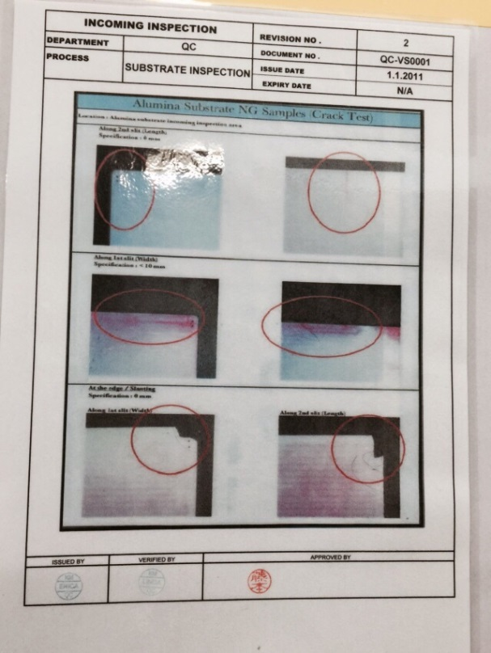
 | KAMAYA INCOMING CHECK FLOW
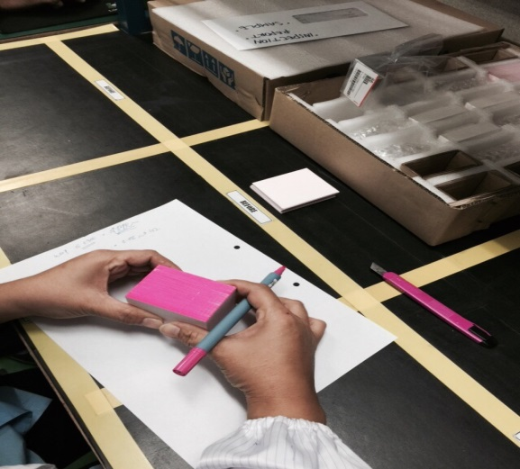
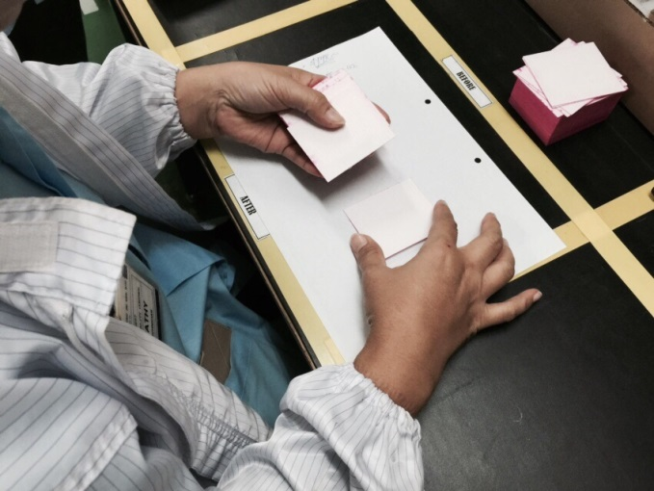
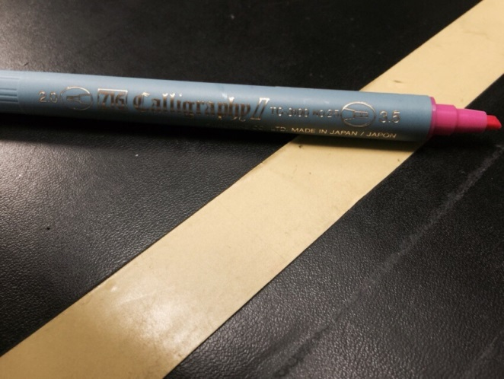

 | Product coloured with Pentel at the side |  |  | Buyoff under normal fluorescent light |  |  |  |  | Pentel type - 1 sample given

 |  |  |  |  |  |  |  |  |  |  |  | CRACK LIMIT

3. Oily - Annoxide
Product ; KA0201
Current usage is 200kpcs/mth. Currently PO given to ECT & Sankang. Kamaya wants to
use Maruwa's product but need to improve on oil or restivity. 300pcs sample provided
for Kamaya to evaluate

Conclusion & Opinion
Mr Azman comment that Maruwa product start to break to 2 after oven process. The order for Maruwa isn't a problem
because comparison with ECT, Maruwa's diamension & slit pitch is very stable whereby ECT's slit pitch isn't
consistent. The factor of crack need to be resolve as soon as possible. Maruwa commited to stop the crack issue by
Sept'15
Ms Emily - a lot of additional job especially on the custom clearence for return good. Request Maruwa to expidite
the crack improvement activity

